Job Details

Job Number & Name: | 35084 LB Bexley
Site Number/Name: | Site 20 - Hook Lane
Client: | Waterman
Date: | 2023-03-30

Site Plan
Advanced Transport Research |  |  | Job Number & Name: | 35084 LB Bexley
Site 20 - Hook Lane |  |  | Date: | 2023-03-30

Job Type: | Pedestrian & Vehicle Count
Co-ordinates: | 51°27'37.38"N, 0° 6'13.97"E | Postcode: | DA16 2DR |  | Times: | 0730-0930 1430-1630

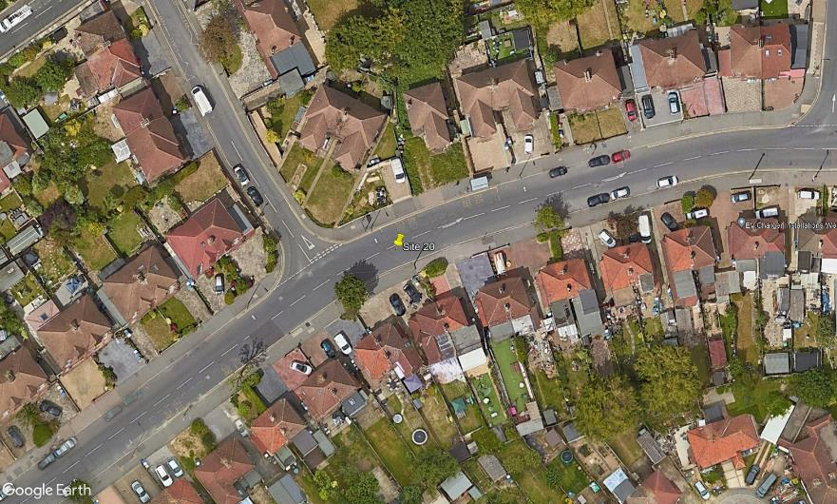
N

Faraday Road

2
1
A
B

D

3

C

Hook Lane

